Important Visualizations
Insights

1.
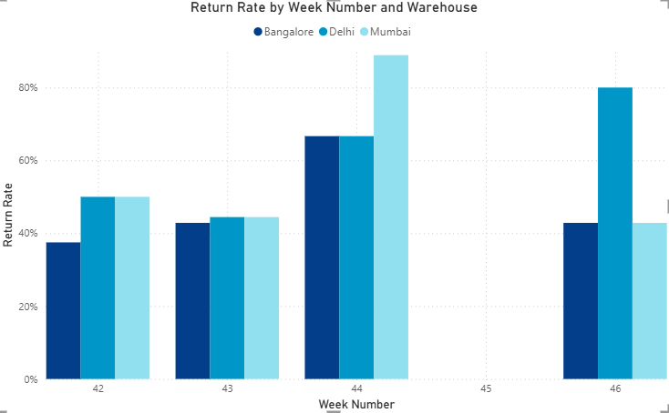

There is no strong order spikes by 2-3 weeks yet return sales increase sharply.

2.
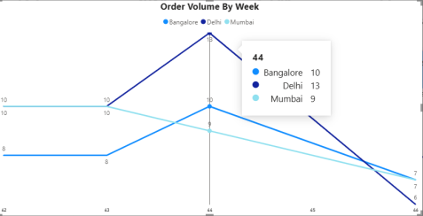

Order rate is high during diwali weeek , with most orders from delhi and maximum returns from mumbai.

3.
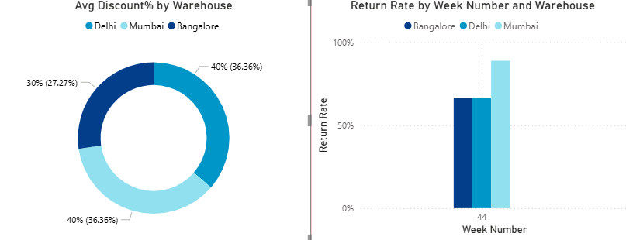

Heavy Discounting Correlates to Higher Return Rates.

4.


New Customers are Responsible for placing high number of orders , higher AOV(Average order value) and High return rates. New Customers will appear to be more profitable segment overall.

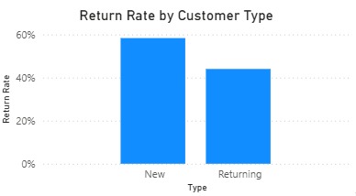

5.

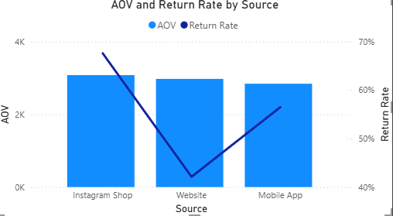

The channel "Instagram Shop" has the best AOV value and Return rate.

6.
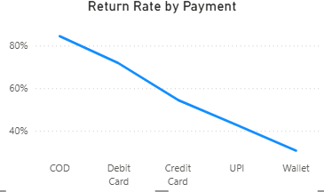
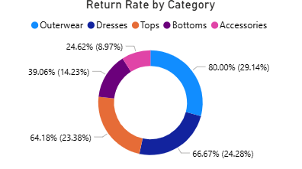

"COD" and "Outerwear" product category had highest Return rate.

